Individual order form
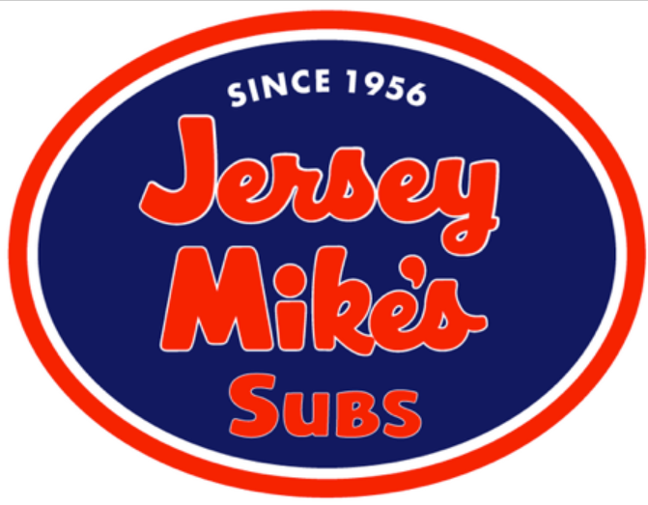
 |  | Jersey Mike's Box Lunch Order Form |  |  |  |  |  | School Name: | Freedom High School Varsity Softball
 |  |  |  |  |  |  |  | Team POC: | Kristin Hudenburg | fhssoftballmom@gmail.com

 |  | All Box lunches include a Sandwich, Chip, Cookie*, and Bottled Water (if selected) |  |  |  |  |  | Away Game Meals (7)
 |  |  |  |  |  |  |  | 31-Mar - Briar Woods
 | ****Please note: All subs COLD SUBS include Mike's Way unless otherwise requested**** |  |  |  |  |  |  | 3 Apr - Loudoun County
 | Instructions: |  |  |  |  |  |  | 25-Apr - Heritage
 | 1) Select a Sandwich Type |  |  |  |  |  |  | 2-May - Riverside
 | 2) Select a Sandwich Size |  |  |  |  |  |  | 3-May - Fauquier
 | 3) Put a Check Mark in the boxes under the Toppings selections that you would LIKE on your sandwich |  |  |  |  |  |  | 10-May - Liberty
 | 4) Special Request: Example - No cheese please or Example - please add Mayo |  |  |  |  |  |  | 15-May - Champe
 | 5) Chips: Chip Selections are below
 | *All Cookies are Chocolate Chip
 | Drink when selected is bottled water

 |  |  |  |  |  |  |  |  |  |  |  | Office Use Only | Date
 |  |  |  |  |  |  | Toppings |  |  | Special Request | Chips | Payment Recvd (cash amount or /check #)
 | Player Name: | Sub # (See Below) | Size Mini or Reg | Onion | Lettuce | Tomato | Vinegar | Oil | Spices
1

 | Subs: | Primary Ingredients: |  |  |  | Chips:
 | #2 Jersey Shore Favorite | Provolone, Ham, Cappacuolo |  |  |  | Lays Regular
 | #3 American Classic | Provolone, Ham |  |  |  | Baked Lays
 | #5 Super Sub | Provolone, Ham, Prosciuittini, Cappacuolo |  |  |  | Sun Chips
 | #6 Famous Roast Beef | Provolone, Roast Beef |  |  |  | Doritos
 | #7 Turkey | Provolone, Turkey Breast |  |  |  | Cheetos
 | #8 Club Sub | Provolone, Ham, Turkey, Bacon
 | #9 Club Supreme | Swiss, Turkey, Roast Beef, Bacon
 | #13 Original Italian | Provolone, Ham, Prosciuttini, Cappacuolo, Salami, Pepperoni
 | #14 Veggie | Provolone, Swiss, Bell Peppers

 | Pricing | With Discount | Per Game w Tax | Total - 7 Away Games
 | Mini sub, no drink | $5.80 | $6.15 | $43.04
 | Mini sub with drink (bottled water) | $6.70 | $7.10 | $49.71
 | Reg. sub no drink | $7.87 | $8.34 | $58.40
 | Reg. sub with drink (bottled water) | $8.77 | $9.30 | $65.07
 | Payment is due Thursday 3/23 cash or check (payable to Kristin Hudenburg - memo: FHS V Away game meals)

 | NOTES FROM MRS HUD:

 | 1) Please turn in your order form and payment by Thursday 3/23 to Coach Hudenburg or give it to me at the home game vs. Riverside on Wed 3/23. I will be dropping off our order for the season on Friday 3/24.

 | 2) In the event of a rainout we will do our best to change our order to the make up date and I will notify you if that happens. If games are called too late in the day, meals will be passed out at the end of the school day and captains will coordinate. (This only happened once last year, so I'm hoping we'll have the same luck).

 | 3) Participation is optional. If you choose not to order Away Game Meals, please bring a snack/lunch with you on away game days.

 | 4) Meals will NOT be provided next week. Be sure to pack something for the Kettle Run 3/22 & Millbrook 3/24 Games. I'll have some snacks with me if you forget.

